PRICE & ORDER FORM
 | FLYING BANNERS |  |  |  |  | Order No |  |  |  | 2019-10-23 | Version TFB 1231
 | Prices valid until DEC. 31, 2019 |  | PRICES STILL VALID |  |  | Date Needed |  |  |  | CLICK TO SEND THIS FORM
 | Personal Information |  |  |  |  |  | Sales Conditions |  |  | Your | Order Summary
 | Name |  |  |  |  |  | For Delivery or Pick-Up? |  | For Pick-Up | Order Quantity | Pcs | -
 | Company Name |  |  |  |  |  | Preferred Payment Method |  | Bank Transfer | Amount |  | -
 | Telephone Number |  |  |  |  |  | Zip Code |  |  | Weight (kgs) /Shipment Fees (Phils only) | - | -
 | Email Address |  |  |  |  |  | TYPE ON LIGHT BLUE SPACES. DRILL-DOWN ON WHITE SPACES |  |  | Paypal Fees | 4.50% | -
 | Address (Bldg #, Street, City/Town) |  |  |  |  |  |  |  |  | Total Amount | Plus 12% VAT | -
 | PRAYMENT METHODS
 | a. Thru Paypal. Wait for Paypal invoice |  |  | b. BDO Current Account Name/No. 006488002454 / Crafteli Company |  |  |  | c. Bank transfer via BPI: Rissa Haduca/Wilbert Haduca Account / # 4159-1064-09
 | CLICK THE WHITE FIELDS BELOW AND DRILL DOWN YOUR CHOICES. GET IDEA FROM THE PRICE TABULATION BELOW.
 | Item # | PRODUCT | SPECS | PRINT SIDE | SIZES | QUANTITY | OTHER INSTRUCTIONS |  |  |  | UNIT PRICE | AMOUNT
` | 1 | 2 | 3 | 4 | 5 | 6 | 7 |  |  |  | 8 | 9
Qty Discount
0 | 1 |  |  |  |  |  |  |  |  |  | - | -
0 | 2 |  |  |  |  |  |  |  |  |  | - | -
 |  |  |  |  |  |  |  |  |  |  |  | -
0 | WARNING: If you change the Product and Specs (in columns 2 and 3), make sure to drill down again the Print Side and Sizes (in columns 4 and 5) and repeat clicking your choice. If you don't do these steps, your price will not update.
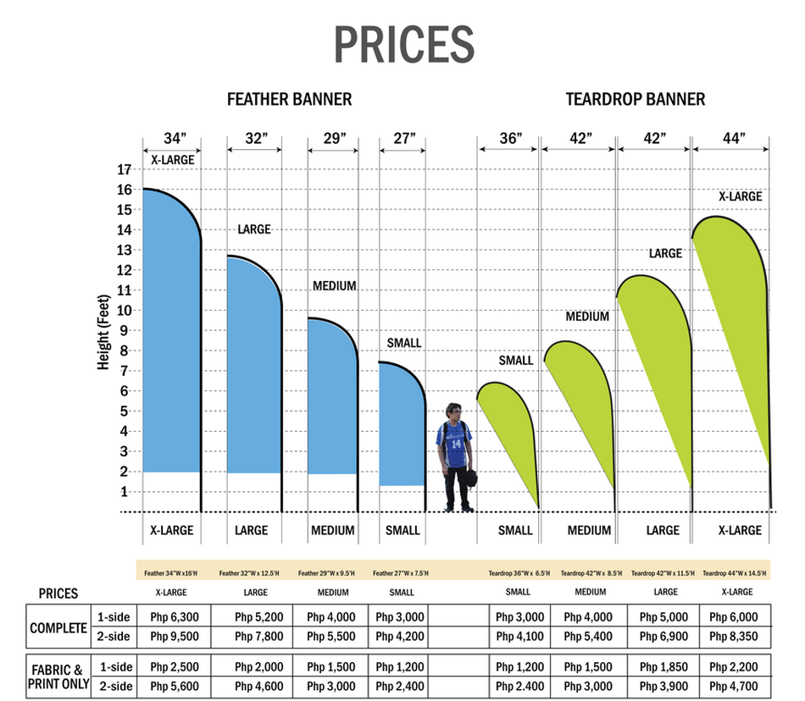

1800

